Sheet1
Id | Summary | Description | Steps to reproduce | Reproducibility | Severity | Priority | Symptom | Wokraround | Additional inf | Attachments | Requirements ID | Expected Result | Actual Result
AT1_1 | the font of the number 2 is large and bold | the font of the number 2 is different from the other numbers: the font is bold and larger | 1. Open the calculator | always | minor | minor |  |  |  | 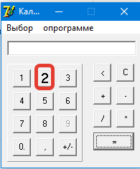 | R236 | the font of the number 2 is the same as the other numbers | number 2 font is different
AT1_2 | number 9 is not active | when you click on the number 9 nothing happens | 1. Сlick on the number 9 |  | major | major |  |  |  | 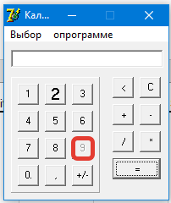 | R238 | when you press the number 9, the number 9 is displayed in the entered data window | when you click on the number 9 nothing happens
АТ1_3 | option "engineering" calculator does not work | Empty space appears when selecting "engineering" calculator | 1. Click "selection" 2. Click "engineering" |  | major | major |  |  |  | 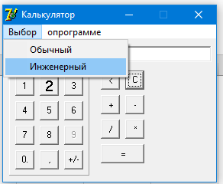 | R410 | when choosing an engineering calculator, more function keys appear | when choosing an engineering calculator, an empty field appears
АТ1_4 | red field in the calculator window | after the first switch from engineering to regular, a red area appears | 1. Click "selection" 2. Click "engineering" 3. Click "selection" 4. Click "regular" |  | minor | minor |  |  |  | 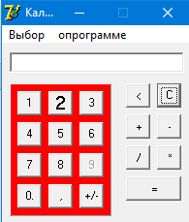 | R456 | the first time you switch from an engineering calculator to a regular calculator, the color of the calculator field does not change | the first time you switch from an engineering calculator to a regular calculator, the color of the calculator field changes to red
АТ1_5 | caculator crash when clicking on empty space | if you click on an empty field, a sign "Exception occured" appears. then when you click close this sign, the calculator closes | 1. click on empty space 2. click close popup |  | major | major |  |  |  | 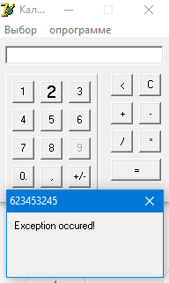 |  | click on empty space, nothing happens | click on empty space, calculator crash
АТ1_6 | incorrect window title | if you do not produce an incorrect sequence of commands in the calculator, a window appears with an inscription " ' ' is not a valid floating point value" and an incorrect window title | 1. execute an incorrect sequence of commands for example: -press +, - press -, -press the number 6, then "+" and "+" 2. click ok in the popup window |  | medium | medium |  |  |  | 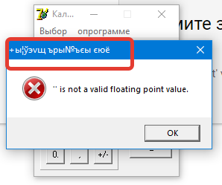 | R458 | execute an incorrect sequence of commands, a window appears with the title "Error" | execute an incorrect sequence of commands, a window with an incorrect title appears
АТ1_7 | Calculator crash when entering more than 6 digits and click 1 | when you enter more than 6 digits and press the key 1, a pop-up window appears with an inscription "unable to enter so many digits, sorry", when you click close the pop-up window, the calculator closes | 1. enter any 6 digits 2. Click 1 |  | minor | minor |  |  |  | 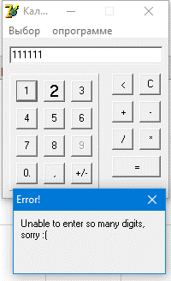 | R890 | enter more than 6 digits, a pop-up appears. When you click close the pop-up, the application continues to work | enter more than 6 digits, a pop-up appears. when you close the pop-up window, the calculator closes
АТ1_8 | impossible to perform more than one operation | it is impossible to perform more than one mathematical operation(+,-,/,*), only the last one is performed | 1. Click to any digits 2. Click to math operation (+,-./,*) 3. repeat steps 1 and 2 |  | major | major |  |  |  |  | R891 | when entering several mathematical operations (for example 4 * 4-7), all operations are calculated | when entering several mathematical operations (for example 4 * 4-7), only the last operation is calculated
АТ1_9 | button 0 with dot. | there is an extraneous dot symbol in the button with the number 0 (0.) | 1. Open the calculator |  | minor | minor |  |  |  | 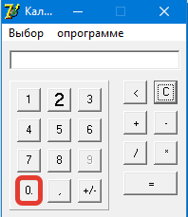 |  | the number 0 is displayed | the number 0 with a dot is displayed

